Sheet1
TF-IDF
1 | NLTK
 | Spacy
 | Text Blob
 | Standard NLP

 |  | - These are helping Libraries
 |  | - No need to remember , except Library name

2 | Word Embeddings
 | - Textual representation to Numerical representation

 | - In NLP , only textual data .
 |  | So cann't do any mathematical operations
 |  | Hence Embeddings came into picture .

 | -
 |  | Input |  |  | Output
 |  |  |  |  | NN
 |  | Text
 |  |  |  |  | ML

 |  |  | Embeddings |  | Statistics

 |  | text |  |  | Numeric

 | - Machine only understands numeric calculations . No Text understanding .

3 |  | Food | is | good |  | P
 |  | 1 | 2 | 3

 |  | good | food | was | delivered | P
 |  | 3 | 1 | 4 | 5

 |  | food | was | not | good | N
 |  | 1 | 4 | 6 | 3

 |  |  |  |  |  |  | 1 | 2 | 3 |  | P
 |  |  |  |  |  |  | 3 | 1 | 4 | 5 | P
 |  |  |  |  |  |  | 1 | 4 | 6 | 3 | N

 |  | Here we are not considering contextual factor
 |  | - grammer
 |  | - which will come after other ( order )
 |  | - punctuation
 |  | - stopwords

TF-IDF | ( Term Frequency - Inverse Document Frequency )

 | - It is a Non NN approach
 | - Word2vec is a NN approach

 | Example :
 | - There are extension of TF-IDF by different research papers .
 | - tweaked calculations slightly .

 | Concepts

 | - training has certain no. of columns for 3 Docs ( Say )
 | - testing - Say we have new data , now what to do ?

 |  | I need to form the same table ( same column as original ) & transform this data .
 |  | Then pass that data

 | - We have to keep same no. of columns even if test data has more words .
 |  | Any new word in test data - don't care
 | - There are other 100 no. of TF-IDF equations .
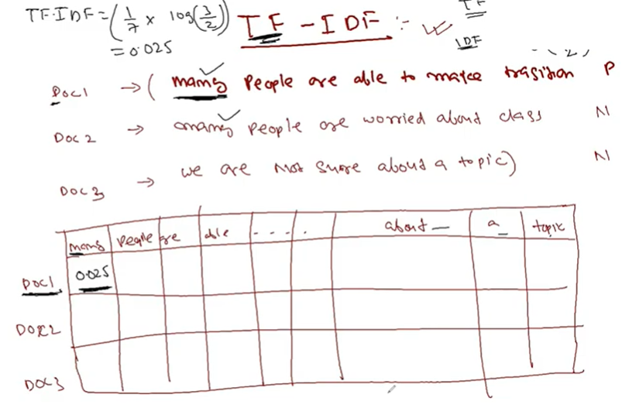

 |  | If same word present in all documents , correlation and relation will be breaked .
 |  | We can able to create unstructured data to a structured form .
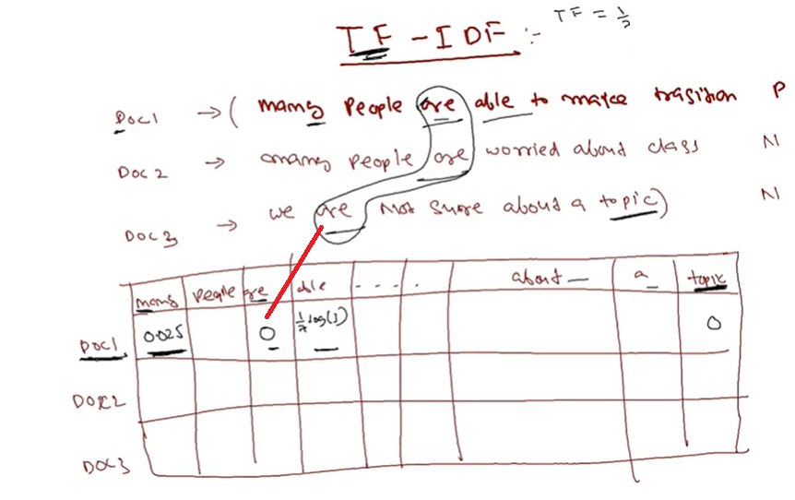

Word Embedding Part-1

 | Word embedding is : Textual Representation to Numerical Representation .

1 | Conventional Approach |  |  |  |  |  |  |  |  |  |  | 5D

 |  | One hot encoding |  |  |  |  |  |  |  |  |  |  |  | Euclidian Distance

 | This | is | a | NLP | class |  |  |  |  |  |  |  | d =
 | 1 | 0 | 0 | 0 | 0 |  | What is the distance ? 2
 | 0 | 1 | 0 | 0 | 0
 | 0 | 0 | 1 | 0 | 0 |  |  |  |  |  |  | ( x
 | 0 | 0 | 0 | 1 | 0
 | 0 | 0 | 0 | 0 | 1

 | - So for 500 words -> 500 dimensions
 | - this for Modeling
 | - Here we are representing each word in vector form

 | Disadvantage
 |  | - Length of word vector is very high
 |  | - Relationship cann't be obtained if words are perpendicular or orthogonal .
 |  | - Distance between any two words is equal .
 |  | - Ordering cann't be made

 | So embedding idea came .

 | Embedding

1 | - In TF-IDF we can see one value for a word .

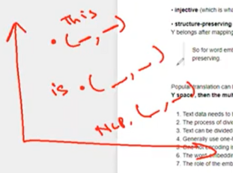
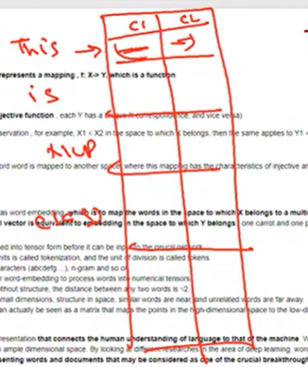

2 |  | Can I make relationship between This & Is
 |  |  | - yes
 |  |  | - may be by distance
 |  |  | - I should get flexibility
 |  |  | - Avoid one hot encoding

3 |  | This is where Word2vec came into picture .
 |  | Researchers gave NN based solution .

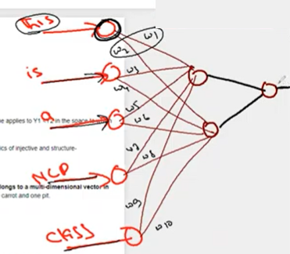
 |  |  |  |  |  |  |  |  | This | w1,w2
 |  |  |  |  |  |  |  |  | is | w3,w4
 |  |  |  |  |  |  |  |  | a | w5,w6
 |  |  |  |  |  |  |  |  | NLP | w7,w8
 |  |  |  |  |  |  |  |  | class | w9,w10

 |  | - Weights are true relation between input & output
 |  | - NN does change of weights
 |  | - trained words are the final representation of our words . This way may be can convert to 2D way
 |  | - The idea is to generate 2D co-ordinate .
4 | Reference
 |  | 02.Word_Embedding_V1/Word Embeddings_Theory.ipynb
 |  | 02.Word_Embedding_V1/wordembedding nLP.ipynb
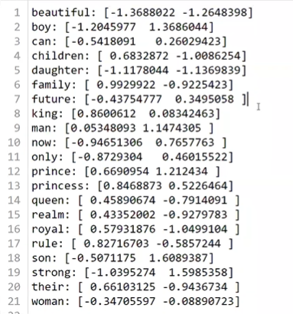
 |  |  |  |  |  | How are we producting these values ?

 |  |  |  |  |  |  | If you understand this you can understand the internal mechanism of Word2vec easily .

 |  |  |  |  |  |  | Which ever dimension you want , you can do it .

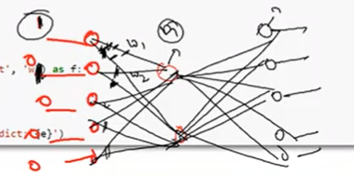
5 |  |  |  |  |  |  | activation function
 |  |  |  |  |  |  |  |  |  | - Not interested in input & output , but on weights
 |  |  |  |  |  |  |  |  |  | - I have to represent all data into 2 dimensional or find numberical value of each and every word .
 |  |  |  |  |  |  |  |  |  | - We can reprsent with any co-ordinate points
 |  |  |  |  |  |  |  |  |  | - Even if we have 1M distrnct dictionary words , there will be no issue at all .

 |  |  |  |  |  |  |  |  |  | Word2vec Embedding

 |  |  |  |  |  |  |  |  |  |  | Here we get absolute co-ordinate .

Reference
 | \02.Word_Embedding_V1
 | \02.Word_Embedding_V2

